All Courses
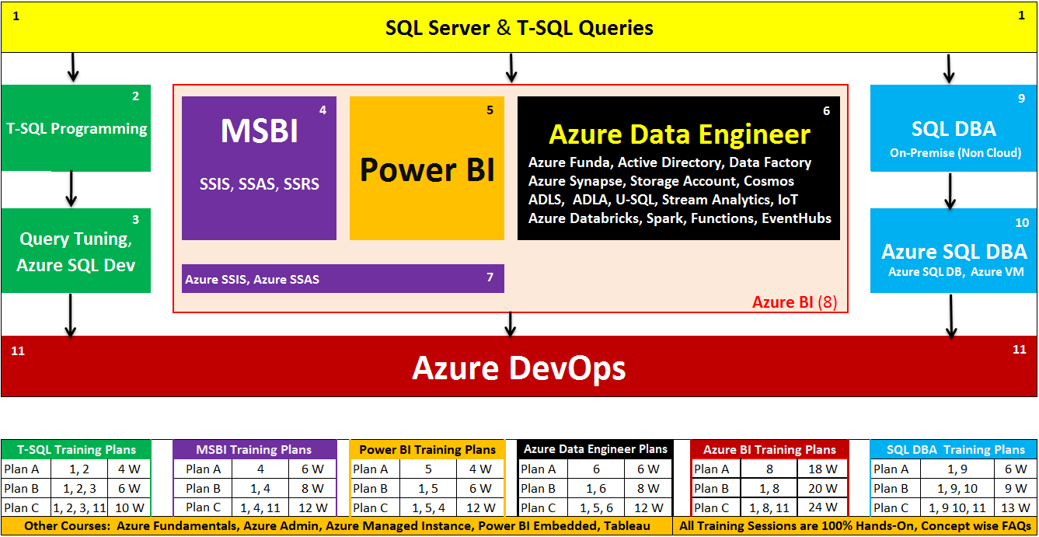

Lab Plan
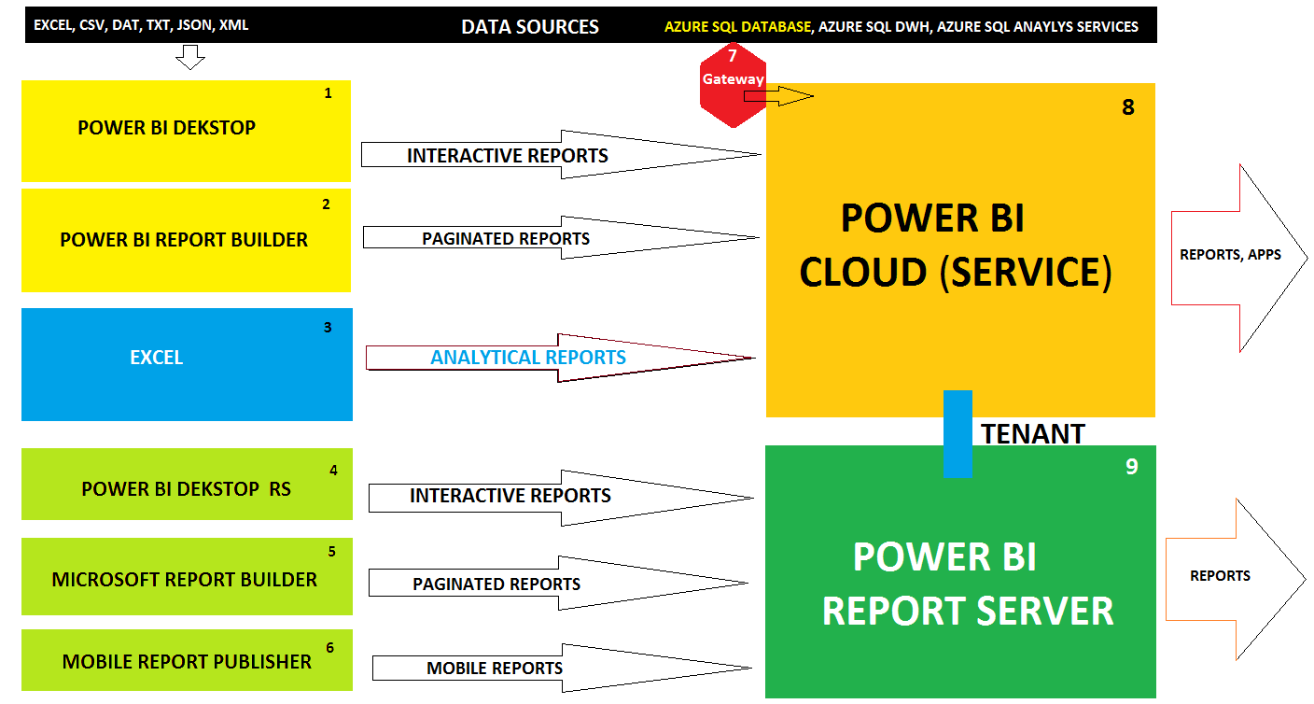

Any Windows OS (32bit or 64bit)

 | Azure

MS Data Platform Work Flow
SQL DB
DWH
Azure Storage
ADB JOBS
ADLA Jobs
Cubes

Cosmos DB
Azure AD
ADF Pipelines

Azure SQL DB

RDLs
Synapse
Models

APIs

70-761 | SQL Dev | 70-767 | MSBI | DP 200 | Data Engineer
70-762 |  | 70-768 |  | DP 201

Power BI

